Sweet times
 |  |  |  |  |  |  |  |  |  |  | Tot Qty
Art. | K201752 |  |  | S/M | M/L | L/XL |  | Tot p box | # box | Tot Qty
 | 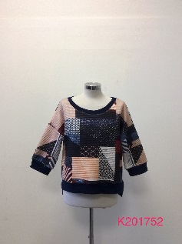 |  |  | 32 | 32 | 32 |  | 96 | 7 | 672
 |  |  |  |  |  |  |  |  |  |  | 672
Art. | K201396 |  |  | S | M | L | XL | Tot p box | # box | Tot Qty
 | 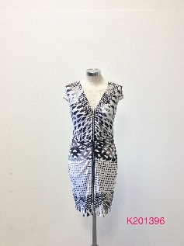 | Nero |  | 36 | 36 | 36 | 36 | 144 | 8 | 1152
 |  | Nero |  | 46 | 56 | 56 | 46 | 204 | 1 | 204
 |  |  |  |  |  |  |  |  |  |  | 1356
Art. | K20329 |  |  | S | M | L |  | Tot p box | # box | Tot Qty
 | 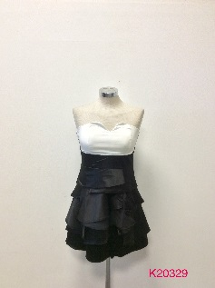 |  |  | 40 | 40 | 40 |  | 120 | 4 | 480
 |  |  |  |  |  |  |  |  |  |  | 480
Art. | K201229 |  | S | M | L | XL | XXL | Tot p box | # box | Tot Qty
 | 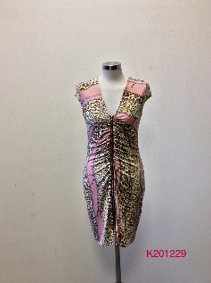 | Green | 8 | 16 | 16 | 16 | 8 | 64 | 7 | 448
 |  | Pink | 8 | 16 | 16 | 16 | 8 | 64 | 7 | 448
 |  |  |  |  |  |  |  |  |  |  | 896
Art. | K201209 |  | S | M | L | XL | XXL | Tot p box | # box | Tot Qty
 | 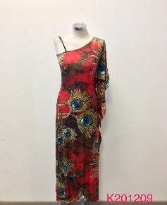 | Red | 8 | 16 | 16 | 16 | 8 | 64 | 12 | 768
 |  | Rose | 4 | 8 | 8 | 8 | 4 | 32 | 12 | 384
 |  | Grey | 4 | 8 | 8 | 8 | 4 | 32 | 12 | 384
 |  |  |  |  |  |  |  |  |  |  | 1536
Art. | K20580 |  | S | M | L | XL | XXL | Tot p box | # box | Tot Qty
 | 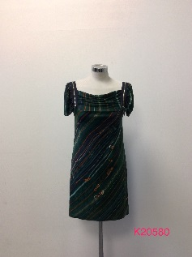 | Green | 16 | 16 | 16 | 16 |  | 64 | 3 | 192
 |  | Coffee | 16 | 16 | 16 | 16 |  | 64 | 3 | 192
 |  | Tiger-Lili | 16 | 16 | 16 | 16 |  | 64 | 3 | 192
 |  |  |  |  |  |  |  |  |  |  | 576
Art. | K20320 |  |  |  |  |  |  | Tot p box | # box | Tot Qty
 | 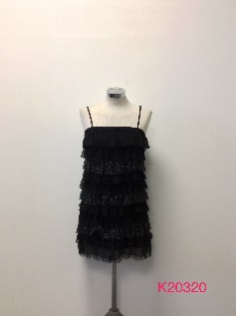 | Pink |  |  |  | 18 |  | 18 | 7 | 126
 |  | Grey |  |  |  | 18 |  | 18 | 7 | 126
 |  | Black |  |  |  | 90 |  | 90 | 7 | 630
 |  |  |  |  |  |  |  |  |  |  | 882
Art. | K20109 |  |  | S | M | L | XL | Tot p box | # box | Tot Qty
 | 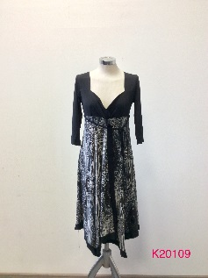 | Purple |  | 6 | 6 | 6 | 6 | 24 | 4 | 96
 |  | Black |  | 6 | 12 | 12 | 6 | 36 | 4 | 144
 |  | Blue |  | 6 | 12 | 12 | 6 | 36 | 4 | 144
 |  | Fucsia |  | 6 | 6 | 6 | 6 | 24 | 4 | 96
 |  |  |  |  |  |  |  |  |  |  | 480
Art. | K2002 |  |  | Red | Grey | Black | White | Tot p box | # box | Tot Qty
 | 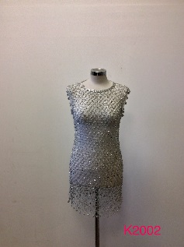 |  |  | 19 | 48 | 20 |  | 87 | 1 | 87
 |  |  |  | 40 | 30 | 20 | 10 | 100 | 1 | 100
 |  |  |  |  |  |  |  |  |  |  | 187
Art. | K2000 |  |  | Red | Grey | Black | White | Tot p box | # box | Tot Qty
 | 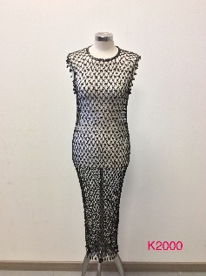 |  |  |  | 50 | 50 | 30 | 130 | 5 | 650
 |  |  |  |  | 30 | 48 | 70 | 148 | 1 | 148
 |  |  |  |  |  |  |  |  |  |  | 798
Art. | ZH0012A |  | XS | S | M | L | XL | Tot p box | # box | Tot Qty
 | 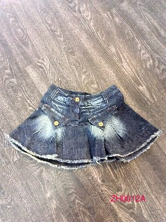 |  | 14 | 21 | 21 | 14 |  | 70 | 2 | 140
 |  |  |  |  |  |  |  |  |  |  | 140
Art. | 73013 |  |  |  |  |  |  | Tot p box | # box | Tot Qty
 |  |  |  |  |  |  | 34 | 34 | 1 | 34
 |  |  |  |  |  |  |  |  |  |  | 34

 |  |  |  |  |  |  |  |  |  |  | 8037

Yes Miss Est.
 |  |  |  |  |  | Yes Miss Summer
 |  | Yes Miss Summer |  |  |  | Totale Capi | 2720
 |  |  |  |  |  | Vestito | 650
 |  |  |  |  |  | Pantalone | 548
 |  |  |  |  |  | Maglia | 1379
 |  |  |  |  |  | Canotta | 0

 | Art | Ref | Taglie | Colori | Pezzi
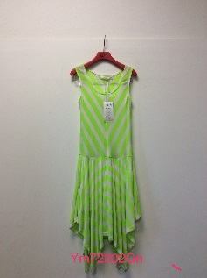 | Vestito | YM72002GN | S-M-L | Verde-Rosa | 300
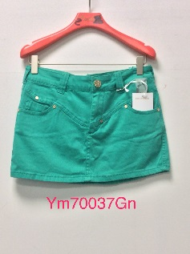 | Vestito | YM70037GN | S-M-L | Viola-Bianco-Verde | 140
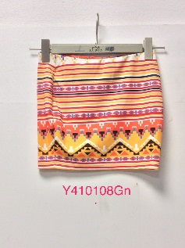 | Vestito | Y410108GN | S-M-L | Arancione | 210
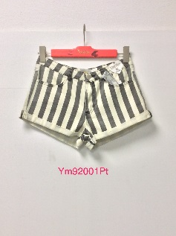 | Pantalone | YM92001PT | XS-S-M-L | Arancione-Nero | 193
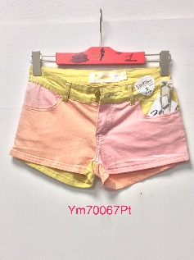 | Pantalone | YM70067PT | XS-S-M-L | Giallo | 210
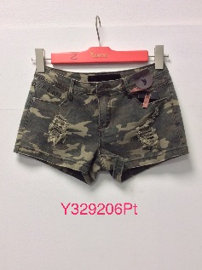 | Pantalone | Y329206PT | S-M-L | Camouflage | 145
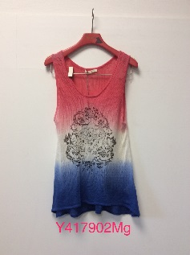 | Maglia | Y417902MG | S-M-L | Rosso | 212
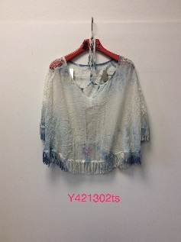 | Maglia | Y421302TS | S/M-M/L | Blu-Rosa | 147
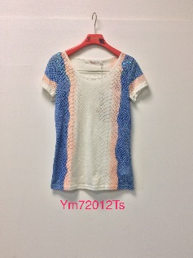 | Maglia | YM72012TS | S-M-L | Bianco | 140
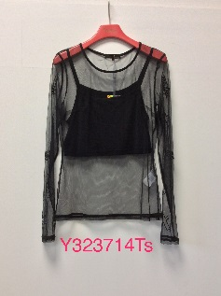 | Maglia | Y323714TS | S-M-L | Nero | 330
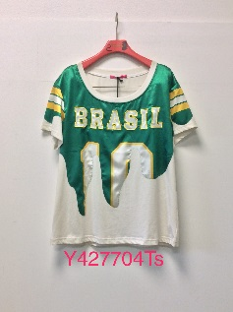 | Maglia | Y427704TS | S-M-L | Verde | 200
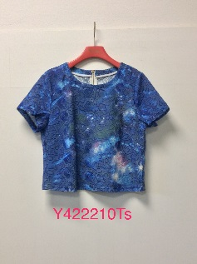 | Maglia | Y42210TS | S-M-L | Blu | 205
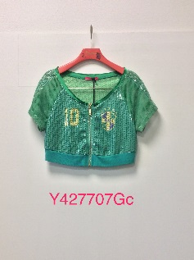 | Giacca | Y427707GC | S-M-L | Blu-Verde | 143
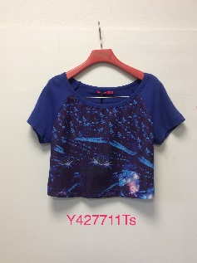 | Maglia | Y427711TS | S-M-L | Blu | 145
 |  |  |  |  | 2720

